listing
1) ENGLISH ITEM NAME (ex : OOOO machine) | 2)中文名称 | 3) MANUFACTUROR (ex : OOO company) | 4) MODEL NO (ex : abc-123) | 5)Serial number | 6)CN hs code | 7)VN hs code | 8)Material | 9) VOLTAGE (ex : 220V) | 10) CAPACITY (ex :1200KW) | 11) Manufacture date (yyyy-mm-dd) | 12) ORIGIN | 13) NEW or USED | 14) PICTURE (BEFORE PACKING) | 15) PICTURE (NAME PLATE or label) | 16)Quantity | 17)cost(RMB 13%VAT) | 18)cost(USD) | 19)Total cost(USD) | 20)CARTON NO. | 21)CTN QTY | 22)G.W(KGS) | 23)N.W(KGS) | 24)Package Size(CM) | 25)Part size(CM) | 26)应用范围 | 27)是否带电源
Drill press vise | 钻床夹头 | Huifeng Electromechanical Direct Sales Store | 3/8-24UNF | / |  |  | 铁 | / | / | 2025-12-06 | CHINA | NEW | 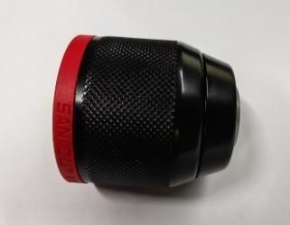 |  | 2 | 65 |  |  | H3 | 1 | 22 | 0.3 | 55X39X38 | 5X4 | Equipment repair | NO
Audio plug | 音频插头 | Yongsheng Electronics Co., Ltd | 3.5mm | / |  |  | 铜 | / | / | 2025-12-06 | CHINA | NEW |  |  | 20 | 3.5 |  |  |  |  |  | 0.17 |  | 5.5X1.2 | TEST USE | NO
power line | 电源线 | JNCZO Electronics factory | / | / |  |  | 塑胶+线材 | / | / | 2025-12-06 | CHINA | NEW | 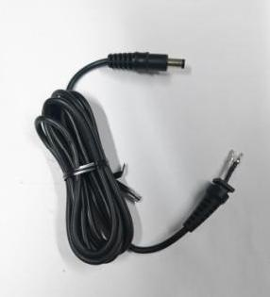 | 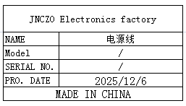 | 30 | 11 |  |  |  |  |  | 1.6 |  | 24X1.5 | TEST USE | NO
DC Plug | DC插头 | JNCZO Electronics factory | 5.5X2.5 | / |  |  | 塑胶+铁 | / | / | 2025-12-06 | CHINA | NEW |  |  | 20 | 1.5 |  |  |  |  |  | 0.04 |  | 4X1 | TEST USE | NO
blade | 批锋刀片 | Great Wall Mold and Hardware Tool Store | / | / |  |  | 钢 | / | / | 2025-12-06 | CHINA | NEW |  |  | 50 | 5 |  |  |  |  |  | 0.2 |  | 12X1.5 | Production Tooling | NO
Temperature regulating hot air gun | 调温热风枪 | Shenzhen Anlixin Tools Co., Ltd | A-2000T | / |  |  | 塑胶+不锈钢 | AC220V | 2000w | 2025-12-06 | CHINA | NEW | 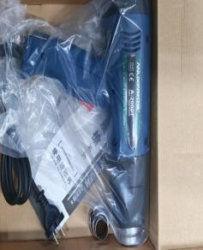 | 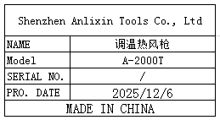 | 2 | 210 |  |  |  |  |  | 1.9 |  | 25X25X7 | Production Tooling | NO
Automatic gluing machine | 全自动胶纸机 | Dongguan Fuma Electronic Equipment Co., Ltd | M-1000S | / |  |  | 铁+钢+电子 | 220V | 5W | 2025-09-19 | China | NEW | 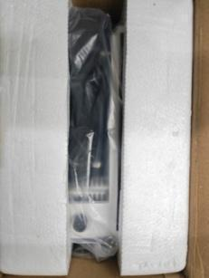 | 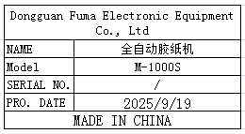 | 1 | 285 |  |  |  |  |  | 2.7 |  | 25.5X16.5X20 | TEST USE | NO
Wire | 电线 | Dongguan Zongkai Cable Technology Co., Ltd | RVV2X0.75 | / |  |  | 电线 | / | / | 2025-12-09 | CHINA | NEW | 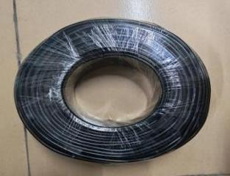 | 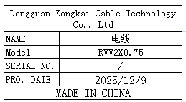 | 100 | 1.2 |  |  |  |  |  | 4.9 |  | 27X8 | Equipment repair | NO
ELECTROSTATIC FIELDMETER | 静电测试仪 | SLAIDE Instrument (Dongguan) Co., Ltd | FMX-004 | 47673 |  |  | 塑胶+电子组件 | DC9V | 5W | 2026-01-15 | CHINA | NEW | 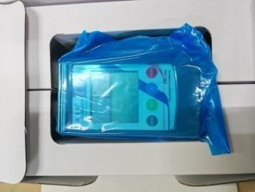 |  | 1 | 1816 |  |  |  |  |  | 0.6 |  | 25X17X9 | Production Tooling | YES
pointer ammeter | 指针电流表 | Shenzhen Youxin Electronic Technology Co., Ltd | 85C1 | / |  |  | 塑胶+电子组件 | / | / | 2025-11-08 | CHINA | NEW | 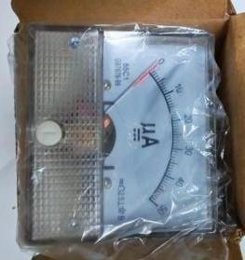 | 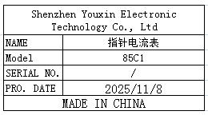 | 20 | 15 |  |  |  |  |  | 1.62 |  | 7X6.5X6.5 | TEST USE | NO
Surface resistance tester | 表面电阻测试仪 | SLAIDE Instrument (Dongguan) Co., Ltd | SL-030B | 26010503 |  |  | 铁+塑胶+电子组件 | DC9V | 5W | 2026-01-05 | CHINA | NEW | 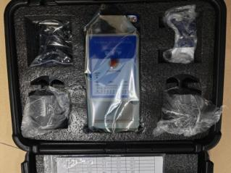 | 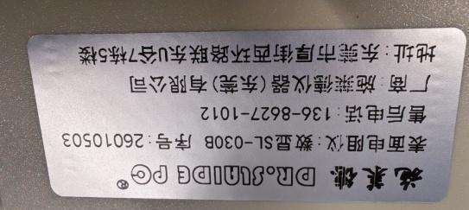 | 1 | 1910 |  |  |  |  |  | 6.62 |  | 38X29X12 | Production Tooling | YES
fan | 风扇 | KAMVP Fan specialty store | FP-108EX-S1-S | / |  |  | 铁+线材 | 220V | 38W | 2025-11-08 | CHINA | NEW | 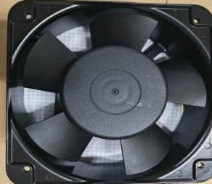 | 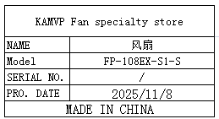 | 10 | 21 |  |  | H4 | 1 | 16 | 7.3 | 39X34X39.5 | 15.5X15.5X5.5 | Production Tooling | NO
support | 支架 | Dongguan Kedun Electronic Equipment Co., Ltd | / | / |  |  | 铁 | / | / | 2025-11-08 | CHINA | NEW | 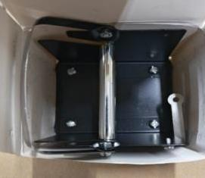 | 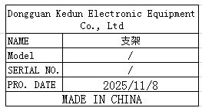 | 30 | 12 |  |  |  |  |  | 7.2 |  | 10X8.5X8.5 | Production Tooling | NO
Test Fixture | 测试夹具 | Techsen Electronics(ShenZhen)Co.,Ltd | Logtag | / | / | / | 铝 | / | / | 2026-01-19 | China | NEW | 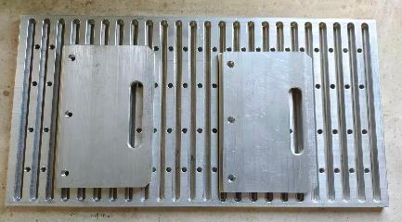 | 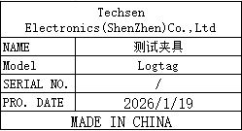 | 40 | 208 | / | / | H5~H12 | 8 | 14*8 | 12.65*8 | 60x25x20 | 48x25x2 | Production Assemble | NO
Assemble the LCD panel fixture | 组裝LCD板治具 | Techsen Electronics(ShenZhen)Co.,Ltd | MONOPOLY2016 | MONOPOLY2016-F01 |  |  | 电木 |  |  | 2025-09-16 | CHINA | NEW | 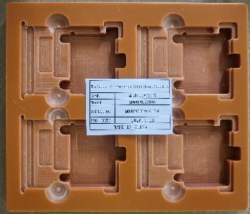 | 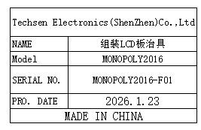 | 6 | 100 |  |  | H13 | 1 | 17 | 1.8 | 58x40x33 | 20x17x1 | Production Assemble | NO
Screwdriver fixture for LCD panels | 打LCD板螺丝治具 | Techsen Electronics(ShenZhen)Co.,Ltd | MONOPOLY2016 | MONOPOLY2016-F02 |  |  | 电木 |  |  | 2025-09-16 | CHINA | NEW | 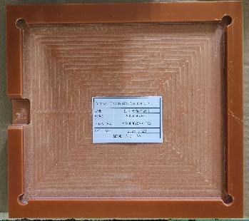 | 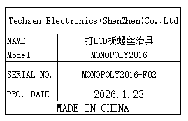 | 2 | 50 |  |  |  |  |  | 1.4 |  | 21x3x1.5 | Production Assemble | NO
PCBA test stand fixture | PCBA 测试架治具 | Techsen Electronics(ShenZhen)Co.,Ltd | MONOPOLY2016 | MONOPOLY2016-C01 |  |  | 电木 |  |  | 2025-09-16 | CHINA | NEW | 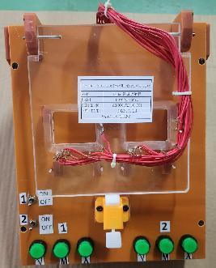 | 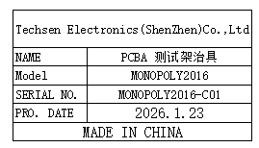 | 2 | 200 |  |  |  |  |  | 4.2 |  | 25x20x21 | PCBA Testing | NO
Welding horm wire fixture | 焊喇叭线治具 | Techsen Electronics(ShenZhen)Co.,Ltd | MONOPOLY2016 | MONOPOLY2016-F05 |  |  | 电木 |  |  | 2025-09-16 | CHINA | NEW | 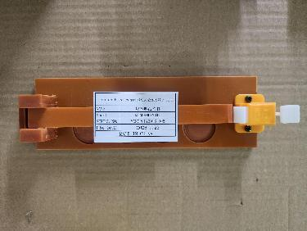 | 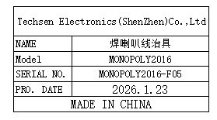 | 1 | 50 |  |  |  |  |  | 0.2 |  | 22x16.5x3.5 | Production Assemble | NO
Hot beer nut fixture | 热啤螺母治具 | Techsen Electronics(ShenZhen)Co.,Ltd | MONOPOLY2016 | MONOPOLY2016-F03 |  |  | 电木/铜 |  |  | 2025-09-16 | CHINA | NEW | 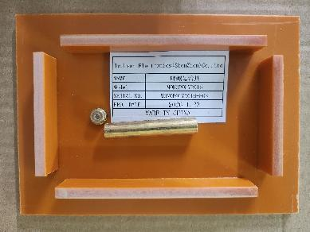 | 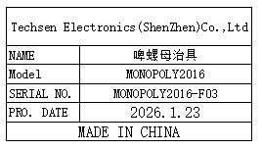 | 1 | 50 |  |  |  |  |  | 0.2 |  | 17.5x12.5x2.5 | Production Assemble | NO
Battery cellfixture | 啤电池片治具 | Techsen Electronics(ShenZhen)Co.,Ltd | MONOPOLY2016 | MONOPOLY2016-F04 |  |  | 铁 |  |  | 2026-01-23 | CHINA | NEW | 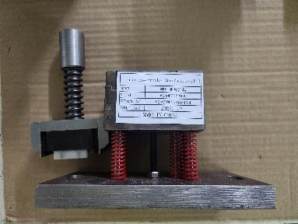 | 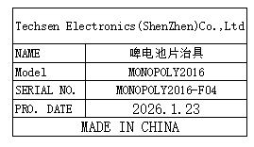 | 1 | 300 |  |  |  |  |  | 3.2 |  | 16x8x22 | Production Assemble | NO
Welding battery wire/Assemble speaker cover/mainboard fixtures | 焊电池线/装喇叭盖/ 主板治具 | Techsen Electronics(ShenZhen)Co.,Ltd | MONOPOLY2016 | MONOPOLY2016-F06 |  |  | 电木 |  |  | 2026-01-23 | CHINA | NEW | 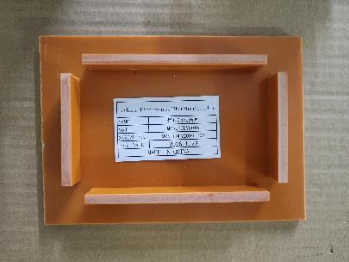 |  | 6 | 50 |  |  |  |  |  | 1.2 |  | 17.5x12.5x2 | Production Assemble | NO
Screw machine screw fixture for the main machine | 螺丝机打主机 螺丝治具 | Techsen Electronics(ShenZhen)Co.,Ltd | MONOPOLY2016 | MONOPOLY2016-F08 |  |  | 电木 |  |  | 2026-01-23 | CHINA | NEW | 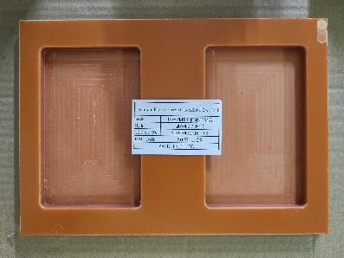 | 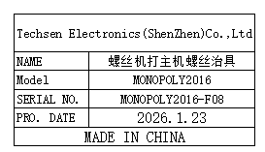 | 2 | 50 |  |  |  |  |  | 0.6 |  | 24x17x1 | Production Assemble | NO
print datecode/Twist Battery door screw fixture | 打日期/打电池门螺丝治具 | Techsen Electronics(ShenZhen)Co.,Ltd | MONOPOLY2016 | MONOPOLY2016-F09 |  |  | 电木 |  |  | 2026-01-23 | CHINA | NEW | 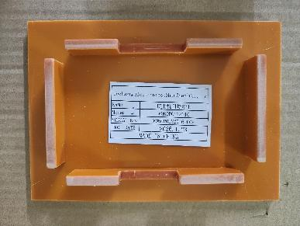 | 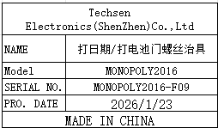 | 2 | 50 |  |  |  |  |  | 0.4 |  | 17.5x12.5x2 | Production Assemble | NO
Host test stand fixture | 主机测试架治具 | Techsen Electronics(ShenZhen)Co.,Ltd | BOP IT MARVEL | BOPITMARVEL-C01 |  |  | 电木 |  |  | 2026-01-23 | CHINA | NEW | 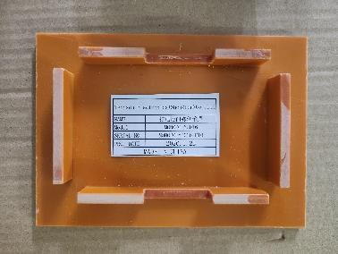 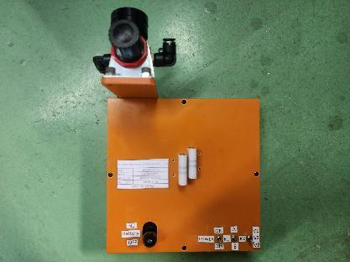 | 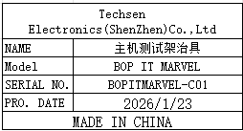 | 2 | 400 |  |  |  |  |  | 3 |  | 20x28.5x17 | Testing | NO
Host test stand fixture | 主机测试架治具 | Techsen Electronics(ShenZhen)Co.,Ltd | MONOPOLY2016 | MONOPOLY2016-C02 |  |  | 电木 |  |  | 2026-01-23 | CHINA | NEW | 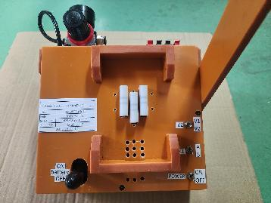 | 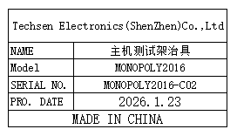 | 5 | 400 |  |  | H14 | 1 | 11.5 | 10.5 | 58x40x33 | 27x21.5x43.5 | Testing | NO
Test card | 测试卡 | Techsen Electronics(ShenZhen)Co.,Ltd | MONOPOLY2016 | / |  |  | 塑胶 |  |  | 2026-01-23 | CHINA | NEW |  |  | 350 | 3 |  |  | H15 | 1 | 8.5 | 0.02*350 | 37x29x27.5 | 9x55.5x0.4 | Testing | NO

